Wiring Diagrams
Auxiliary Parts |  | Load Cell Signal Amplifier
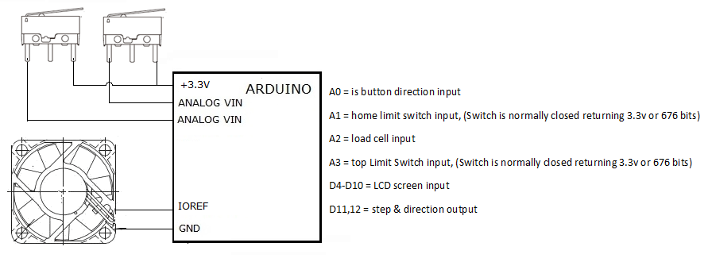
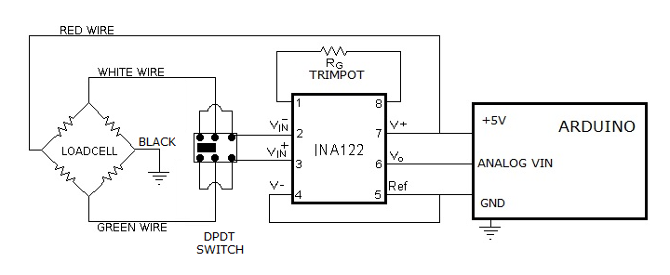

 |  | Stepper Motor Driver

 | *Make sure you use a heatsink on your stepper driver. *Be careful when adjusting the current screw while the motor is powered up, I accidentally shorted a driver. (Best use a plastic or coated screwdriver!)

